Channels
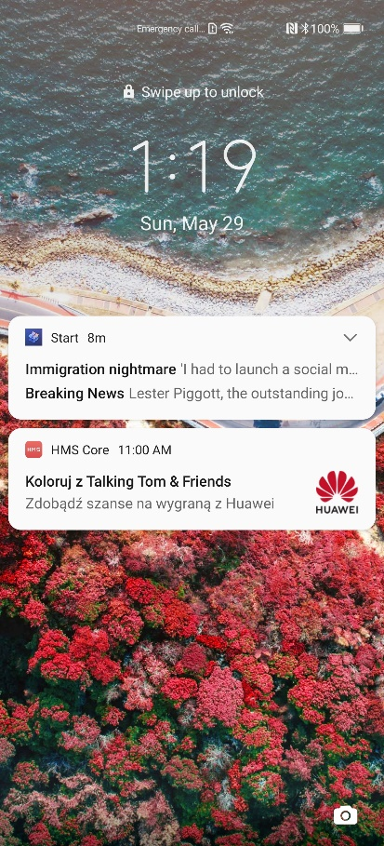
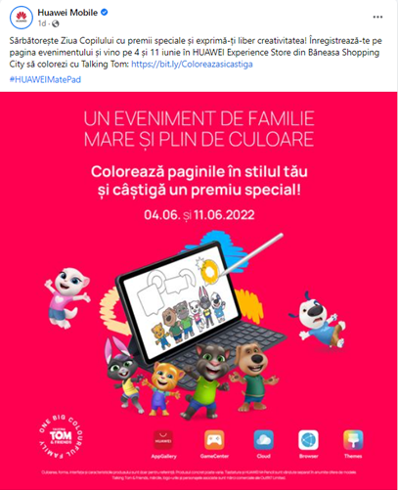
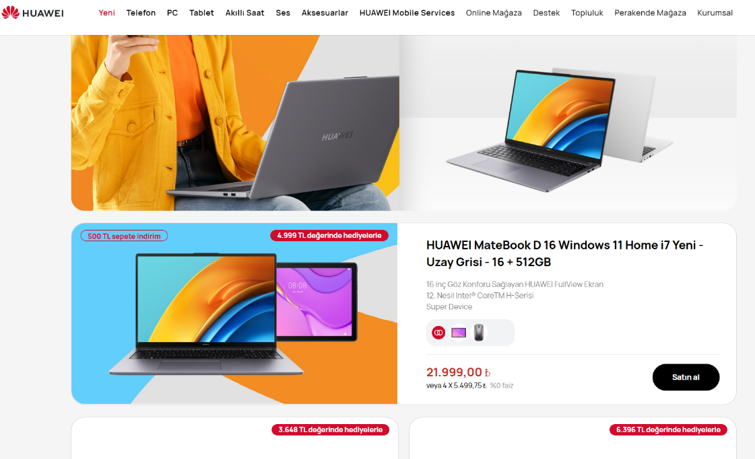
Communities - example: https://consumer.huawei.com/pl/community/ | Regional newsletter |  | Press release https://mobinetrevija.si/druzinski-dogodek-z-govorecim-tomom-in-prijatelji-prinasa-nagrade/ https://www.feedit.cz/2022/06/02/huawei-zve-na-rodinnou-akci-plnou-barev-vyhrat-muzete-zajimave-ceny/

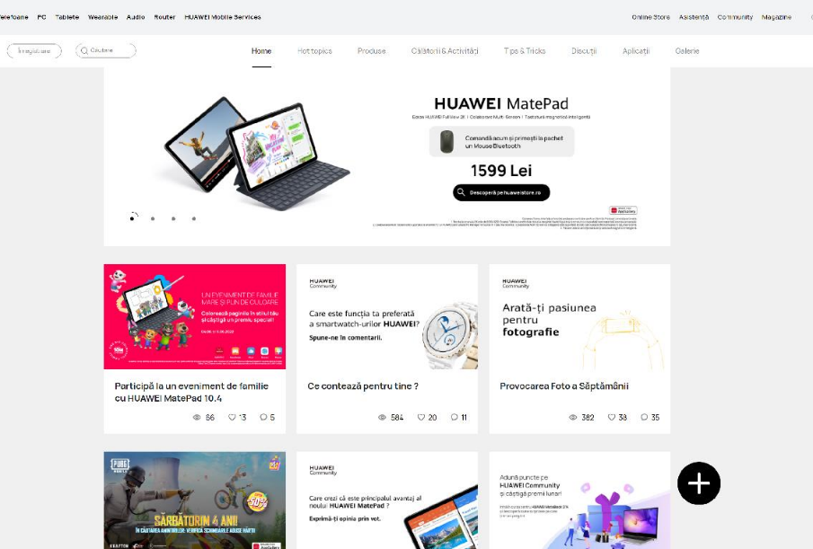
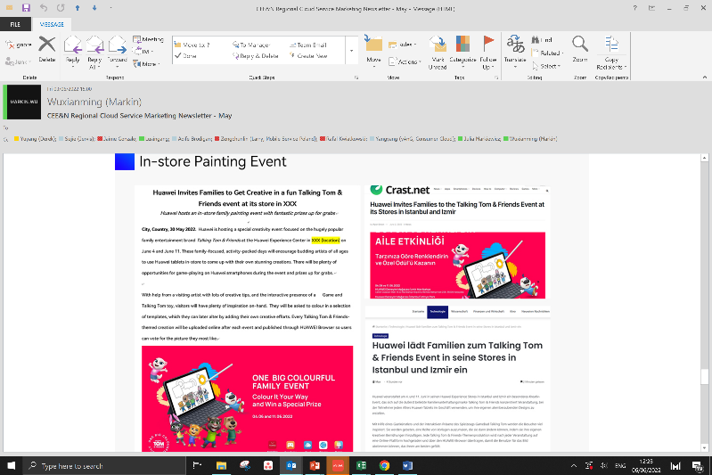

Social-media: https://www.facebook.com/HuaweimobileRO/posts/5204392896292662 |  | e-shops - https://consumer.huawei.com/tr/offer/ |  | Push

